Product Strategy Map - Template
Project: The Product Strategy Map
This worksheet accompanies Reforge's Product Strategy Map module for the Mastering Product Management program. Use this worksheet to apply the phases of the project to your own product. Note: each phase has its own tab. Feeling stuck? See how this worksheet applies to LinkedIn Sales Navigator and Substack.

Phase 1: The 6 Dimensions of Product Strategy

1. Target Audience
Step | Audience |  | Audience Rationale
Total Addressable Audience | Veteran's Caregivers |  | This application is for Caregivers, that provide extensive care to Veterans, to apply for support and services under the Program of Comprehensive Assistance for Family Caregivers (PCAFC) | 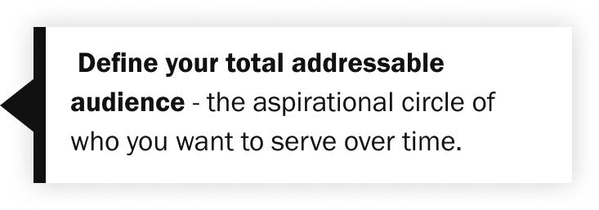
Narrowed Audience | Caregivers who want to be recognized by VA |  | Caregivers who want to be recognized by VA so that they can attend health care appointments with their Veteran, and provide support and assistance | 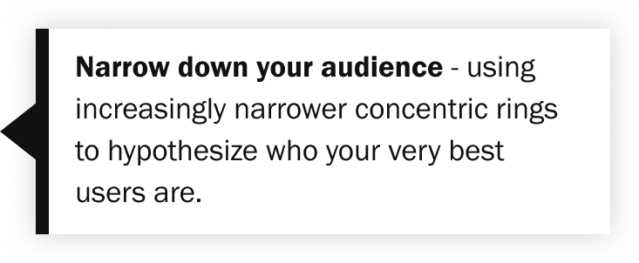
Target Audience | Caregivers who need support and resources |  | Caregivers who need financial and health support, services and education so they can provide the best care for their Veteran | 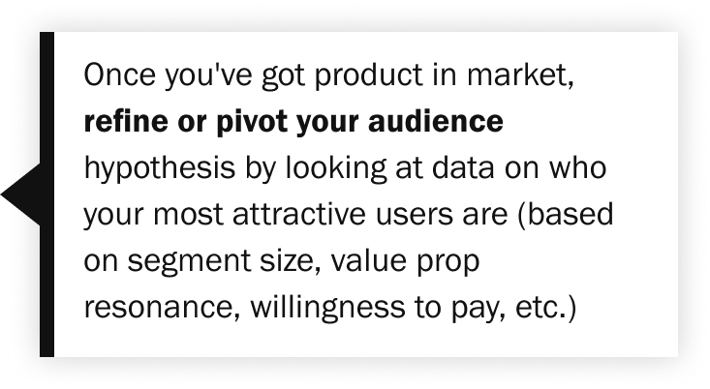

2. Problem You're Solving
Step | Notes
Outcome | The Caregiver wants to apply for and access support and services quickly and easily |  |  | 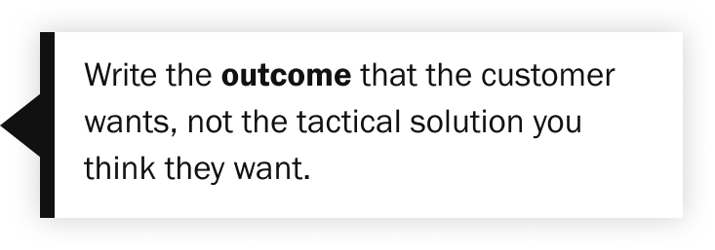
Motivation | Caregivers want to access to health and financial support, services and education so they can provide the best care to their Veteran
Gaps | 1. Veterans and Caregivers don't know about this program 2. Veterans and Caregivers don't know the Veteran or Caregiver eligibility requirements for the program 3. Veterans and Caregivers don't understand the difference between Primary and Secondary Caregivers roles 4. Veterans and Caregivers don't know how to update the program when the Caregivers change |  |  | 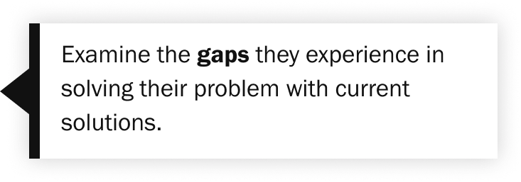
Problem Statement | Help Veterans and Caregivers to understand, apply for, track and update the VA Program of Comprehensive Assistance for Family Caregivers (PCAFC)

3. Value Proposition
Step | Value prop / Sub-benefit |  | Details
Core value proposition | Apply for VA Program of Comprehensive Assistance for Family Caregivers (PCAFC) |  | The application will allow Caregivers to apply for the PCAFC program
--Sub-benefit #1 | Access to support and services |  | Once the submitted application is processed and accepted, the Caregivers can access support, services, education and resources online or through their Caregiver Program support team
--Sub-benefit #2 | Check status of Caregiver application (Does not exist yet) |  | The Veterans and Caregivers can check the status from submission to acceptance/rejection
--Sub-benefit #3 | Update the Caregivers for a given Veteran |  | The Veterans and Caregivers can submit updates to the Caregivers of the Veteran, when the Caregiver(s) or their information changes
--Sub-benefit #4
--Sub-benefit #5

4. Strategic Differentiation
Step | Competitors | Notes
Full field of competition
--Direct competitor | National and State agencies
--Indirect competitors | Private companies, Adult care facilities
--Adjacent markets | Respite grants
Unique attribute identification | - Family members recognized by VA, and provided services, education and support for caring for a Veteran - Access to VA health care insurance - 30 days Respite per year | Caring for a Veteran, especially for those Veterans who have experienced trauma and/or injured in war times, can be difficult and intense. VA provides support to Caregivers so that they are better equipped to care for their Veteran, and to understand how to help them when they need it. |  | 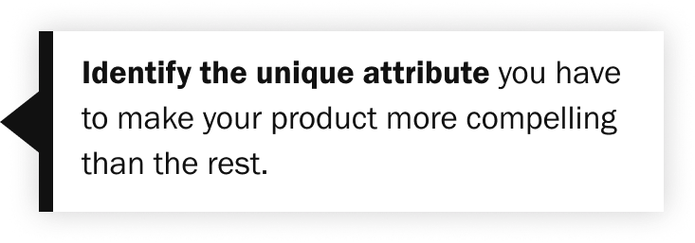

5. Channel Strategy
Major acquisition strategies | How to improve product-channel fit | Your primary strategy? | How do you improve your product-channel fit?
Viral | Improve network effects; fast time-to-value | x | We need to ensure Veterans and their Caregivers are made aware of the program, understands program eligibility (Veteran and Caregiver), what services are provided and how they can access it - How might we better inform the Veteran/Caregiver of the eligibility requirements? - How might we help Veterans/Caregivers track the status of their application from submit to accept/reject? - How might we help Veterans/Caregivers submit updates when their situations change? - How might we get Caregiver data to prefill (Caregiver identity role)? - Recent discovery on signatures will not allow for a single person to authenticate through the form
Content | Facilitate content generation |  |  | 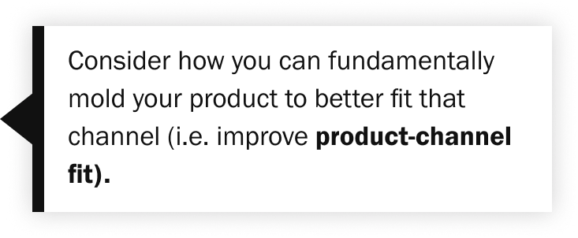
Paid | Very fast time-to-value |  |  | 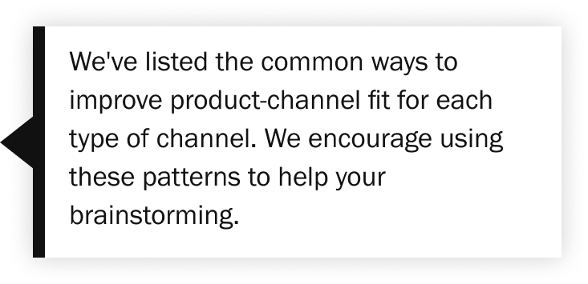
Sales | Address multiple persona needs | x

6. Monetization Strategy
Market segments | How to improve product-model fit | Your market segment? | How do you improve your product-channel fit?
Mass Market (~$10 ARPPU) | Improve network effects OR encourage content creation
Prosumer (~$100 ARPPU) | Build casual contact virality
SMB (~$1,000 ARPPU) | Focus on improving NPS, self-servability
Mid-Market (~$10,000 ARPPU) | Focus on improving NPS, self-servability; Begin adding in customizability
Enterprise (~$100,000 ARPPU) | Improve product customizability

